Part 1
An abstract reasoning test signifies to an employer which candidates have the lateral thinking, problem solving and strategic thinking skills that are valuable in the workplace.

Complete the sequence:

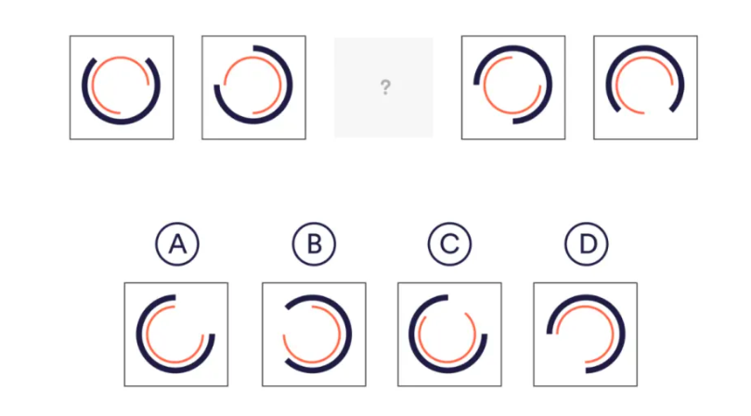
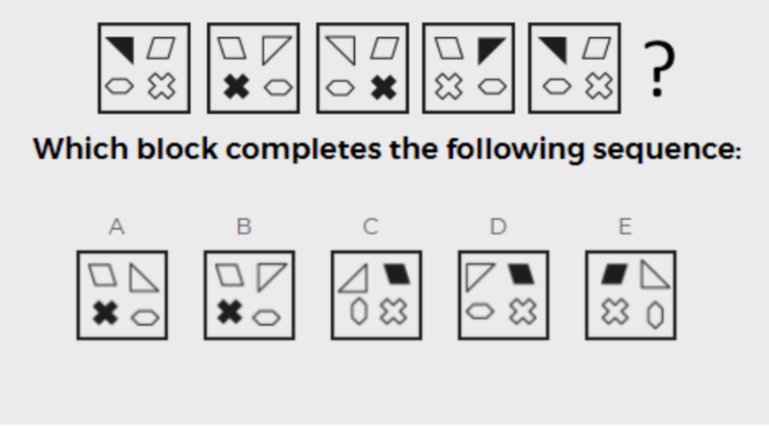
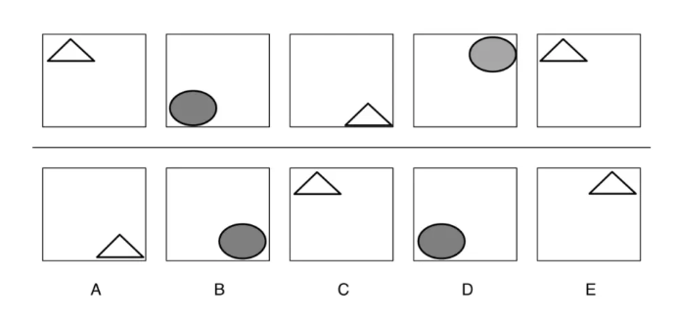

 | Answer: | C |  | Answer: | D |  |  | Answer: | C

 |  | Answer: | A |  |  | Answer: | B

Part 2
Our reasoning capabilities determine how effectively we interpret the world around us, and how we use what we know to be fact to inform our choices. As such, logical reasoning is a vital part of many job functions.

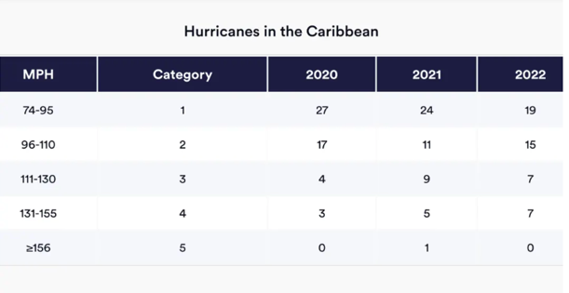
 |  |  |  |  |  |  | What was the percentage change in category 3 hurricanes from 2021 to 2022?

 |  |  |  |  |  |  | A. 28.57% decrease
 |  |  |  |  |  |  | B. 22.22% decrease
 |  |  |  |  |  |  | C. 77.78% increase
 |  |  |  |  |  |  | D. 125% increase

 |  |  |  |  |  |  | Answer: | B

 | 30 watches cost 1460 Euros. What is the prices of 6 watches?

2.62 Euros |  | 80.80 Euros |  | 292.00 Euros | 352.20 Euros | 498.00 Euros | Answer: | 292

 | Complex is the opposite of:

Clear |  | Simple |  | Vortex | Spoken | Written | Answer: | Simple

 | Which number completes the equation? 37 + 4 = 52 - ?

10 |  | 11 |  | 12 | 13 | 14 | Answer: | 11

 | Which one of the following assumptions is made in the passage?
 |  | A |  | B | C | D
 |  | E- commerce is set to overtake traditional retail |  | The only reason that consumers are less likely to finalise a purchase online is their inability to test a product | The cost of virtual reality technology is likely to reamian high | Only online retailers are interested in utilising virtual reality to enhance customer experience

 |  | Answer: | C

Part 7 (Pivot)
Test Item 6.0 - PIVOT

Create a Pivot in Section 3 using the raw data found in Section 1. Design your pivot with Headings like shown in the Image on Section 2.

Section 1
Column1 | Column2 | Column3 | Column4 | Column5 | Column6 | Column7 | Column8 | Column9 | Column10 | Column11 | Column12 | Column13 | Column14 | Column15 | Column16 | Column17 | Column18 | Column19 | Column20 | Column21 | Column22 | Column23
Split/Skill | Date | Time | Aban Calls | ACD Calls | ACCEPTABLE | ACD Time | ACW Time | Hold Time | Avail Time | Staffed Time | Default | Break | TPUSA Meeting | Client Meeting | Coaching | Desk Training | Production Prep | 7 | 8 | 9 | % Within Service Level | Conf
112 | 2011-07-13 | 4:30:00 | 0 | 0 | 0 | 0 | 0 | 0 | 0 | 5732 | 918 | 0 | 0 | 4814 | 0 | 0 | 0 | 0 | 0 | 0 | 0 | 0
112 | 2011-07-13 | 5:00:00 | 0 | 21 | 21 | 13782 | 428 | 611 | 17178 | 35975 | 3217 | 0 | 0 | 411 | ` | 0 | 0 | 0 | 255 | 0 | 100 | 2
112 | 2011-07-13 | 5:30:00 | 0 | 49 | 49 | 24248 | 1425 | 1593 | 16388 | 44908 | 1251 |  | 0 | 0 | 0 | 72 | 0 | 0 | 651 | 0 | 100 | 7
112 | 2011-07-13 | 6:00:00 | 0 | 34 | 34 | 20751 | 1073 | 2048 | 8941 | 47325 | 1528 | 11653 | 0 | 0 | 0 | 0 | 0 | 0 | 2253 | 0 | 100 | 7
112 | 2011-07-13 | 6:30:00 | 0 | 50 | 50 | 26655 | 1766 | 2364 | 4652 | 48383 | 832 | 7704 | 0 | 0 | 0 | 0 | 0 | 0 | 5208 | 0 | 100 | 10
112 | 2011-07-13 | 7:00:00 | 0 | 85 | 77 | 54961 | 4699 | 4083 | 9112 | 84164 | 3140 | 2161 | 0 | 15 | 0 | 0 | 0 | 0 | 5113 | 0 | 91 | 15
105 | 2011-07-13 | 7:30:00 | 0 | 0 | 0 | 0 | 0 | 0 | 50 | 5676 | 678 | 1 | 0 | 4728 | 0 | 219 | 0 | 0 | 0 | 0 | 0 | 0
112 | 2011-07-13 | 7:30:00 | 0 | 122 | 121 | 74617 | 6400 | 10429 | 9436 | 116153 | 6842 | 906 | 0 | 0 | 0 | 0 | 0 | 0 | 10594 | 0 | 99 | 23
105 | 2011-07-13 | 8:00:00 | 0 | 28 | 24 | 14874 | 2445 | 1454 | 1390 | 48614 | 1692 | 0 | 0 | 2316 | 0 | 22289 | 0 | 0 | 1394 | 0 | 86 | 1
112 | 2011-07-13 | 8:00:00 | 0 | 166 | 165 | 86125 | 6957 | 14427 | 12147 | 150494 | 9172 | 15840 | 175 | 0 | 175 | 0 | 0 | 0 | 11694 | 0 | 99 | 28
105 | 2011-07-13 | 8:30:00 | 0 | 37 | 36 | 17862 | 3730 | 3107 | 1734 | 50286 | 696 | 0 | 0 | 0 | 631 | 21346 | 0 | 0 | 1875 | 0 | 97 | 3
112 | 2011-07-13 | 8:30:00 | 0 | 156 | 155 | 84868 | 6485 | 12784 | 9752 | 145507 | 6872 | 18861 | 0 | 0 | 177 | 0 | 0 | 0 | 9408 | 0 | 99 | 31
105 | 2011-07-13 | 9:00:00 | 0 | 44 | 44 | 18348 | 2798 | 4818 | 1704 | 50251 | 635 | 1003 | 0 | 0 | 1404 | 20591 | 0 | 0 | 542 | 0 | 100 | 3
112 | 2011-07-13 | 9:00:00 | 0 | 194 | 194 | 112078 | 8192 | 17953 | 8174 | 171863 | 7885 | 12498 | 0 | 0 | 0 | 0 | 0 | 0 | 11849 | 0 | 100 | 35
105 | 2011-07-13 | 9:30:00 | 0 | 23 | 23 | 13681 | 1487 | 1858 | 1759 | 50230 | 505 | 10354 | 0 | 0 | 1511 | 17918 | 0 | 0 | 1062 | 0 | 100 | 2
112 | 2011-07-13 | 9:30:00 | 0 | 200 | 199 | 116430 | 8650 | 16503 | 9749 | 179875 | 6096 | 10753 | 0 | 7224 | 282 | 0 | 0 | 0 | 11523 | 0 | 100 | 37
105 | 2011-07-13 | 10:00:00 | 1 | 42 | 40 | 20500 | 3276 | 4702 | 1659 | 50400 | 947 | 12106 | 0 | 0 | 3252 | 383 | 0 | 0 | 3943 | 2 | 93 | 5

Section 2 - Desired Output
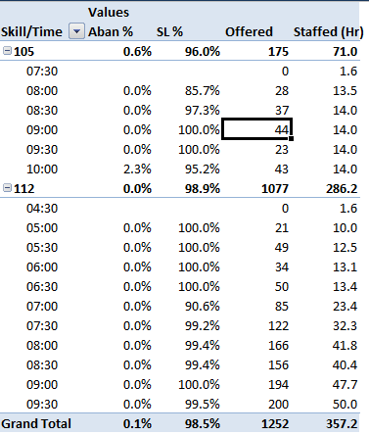

Section 3

Row Labels | Aban% | SL% | OFFERED | Staffed (Hr)
105 | 0.6% | 96.0% | 175 | 71.0
7:30:00 | #DIV/0! | #DIV/0! | 0 | 1.6
8:00:00 | 0.0% | 85.7% | 28 | 13.5
8:30:00 | 0.0% | 97.3% | 37 | 14.0
9:00:00 | 0.0% | 100.0% | 44 | 14.0
9:30:00 | 0.0% | 100.0% | 23 | 14.0
10:00:00 | 2.3% | 95.2% | 43 | 14.0
112 | 0.0% | 98.9% | 1077 | 286.2
4:30:00 | #DIV/0! | #DIV/0! | 0 | 1.6
5:00:00 | 0.0% | 100.0% | 21 | 10.0
5:30:00 | 0.0% | 100.0% | 49 | 12.5
6:00:00 | 0.0% | 100.0% | 34 | 13.1
6:30:00 | 0.0% | 100.0% | 50 | 13.4
7:00:00 | 0.0% | 90.6% | 85 | 23.4
7:30:00 | 0.0% | 99.2% | 122 | 32.3
8:00:00 | 0.0% | 99.4% | 166 | 41.8
8:30:00 | 0.0% | 99.4% | 156 | 40.4
9:00:00 | 0.0% | 100.0% | 194 | 47.7
9:30:00 | 0.0% | 99.5% | 200 | 50.0
Grand Total | 0.1% | 98.5% | 1252 | 357.2

Part 8 (Graph)
Create a Histogram in the space provided (Chart Area). Use the data provided and follow the sample chart output.

Chart Area
 | Employee Name | Survey Count | X - Axis | Data Frequency
 | Watson, Joanne | 2 | <= 5 | 2
 | Gelle, Daisy G. | 3 | 6 to 10 | 4
 | Cabacungan, Grace | 6 | 11 to 15 | 5
 | Dela Vega, Vermon | 8 | 16 to 20 | 8
 | Atraje, Mina Rio | 9 | 21 to 25 | 5
 | Del Rosario, Lea C. | 9 | 26 to 30 | 3
 | Lapuz, Joshua | 11 | 31 & Above | 2
 | Sutton, Hayden | 11
 | Lorenzo, Cynthia B. | 11 | Sample Chart
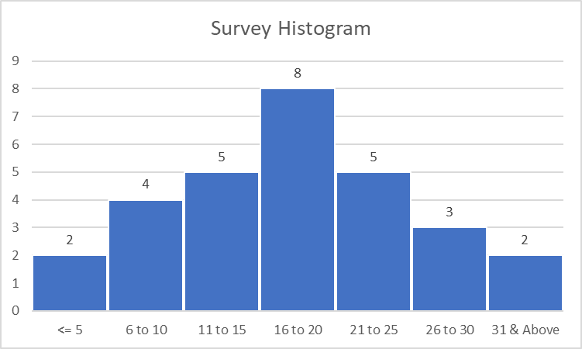
 | Ignacio, Rossman | 12
 | Berry, Joan | 12
 | Parr, Irene | 22
 | Bulado, Kristine | 20
 | Campbell, Piers | 21
 | Jamesolamin, Mindy | 23
 | Ramirez, Marvin M. | 20
 | Clarke, Zachary | 22
 | Nash, Thomas | 20
 | Abadicio, Hadrian | 21
 | Luna, July Lyde P. | 25
 | Rees, Christian | 26
 | Calma, Janneth | 27
 | Magtibay, Arvin Karl | 25
 | Davies, Elliot | 25
 | Santos, Bryan P. | 30
 | Tabing, Jhoana | 31
 | Velasco, Jufel S. | 32
 | Aguilar, Angelica Kristia | 40
 | Beticon, Barbie Ann | 39

Part 9 (Graph)
Create a run chart in the space provided (Chart Area). Use the data provided and follow the sample chart output.

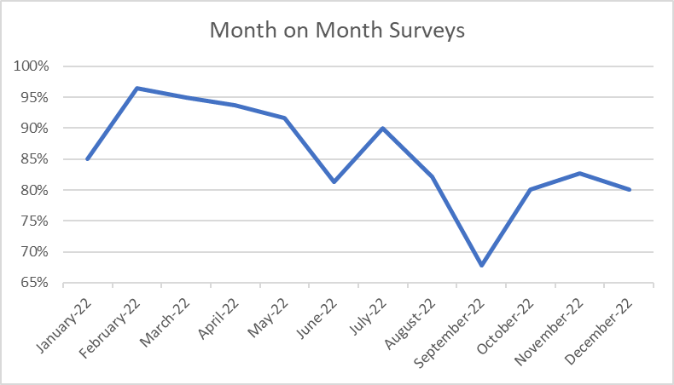
Month on Month Surveys
Chart Area |  |  | Sample Chart
 | Month | Surveys %
 | Jan-22 | 85%
 | Feb-22 | 96%
 | Mar-22 | 95%
 | Apr-22 | 94%
 | May-22 | 92%
 | Jun-22 | 81%
 | Jul-22 | 90%
 | Aug-22 | 82%
 | Sep-22 | 68%
 | Oct-22 | 80%
 | Nov-22 | 83%
 | Dec-22 | 80%

